1. Title Page
[Project Name]

Project Name: Instacart Customer Profile Analysis
Date: 12/18/24
Analyst Name: Sam Abrams

Contents:
Population Flow
Consistency checks
Wrangling steps
Column derivations
Visualizations
Recommendations

Data Citation:
“The Instacart Online Grocery Shopping Dataset 2017”, Accessed from www.instacart.com/datasets/grocery-shopping-2017 via Kaggle on 11/19/24.

2. Population Flow
Title page

Population flow

Exclusion flag
Condition: max_order <
Obervations to be removed:
Final total count of order_products_all:

Orders_products_combined
Orders_products_merged
Orders_products_all

Total: 32,404,859
Total: 32,404,859
Total: 32,404,859

1.) The grey boxes in the first row of the population flow represent the original data sets as they were when you downloaded them. In the Total fields you need to add the count of the rows when you imported the data set into Jupyter.
2.) The second row of boxes (coloured) represents the data sets after you manipulated them, e.g., removed missing values and duplicates. In the Total fields you need to add the count of the rows after conducting these operations. This offers a visual oveview of how the data flows throughout the data consistency checks.
3.) The third row, where also the arrows are coloured, represents the merges you performed between the datasets. In the Total fields you need to add the count of the rows in the merged datasets, so that you end up with the final dataset (in the red box). Keep in mind the final dataset should be without exclusions (based on the exclusion flag).

3. Consistency checks
 |  |  |  | Title page
Consistency checks

Dataset | Missing values | Missing values treatment | Duplicates
orders | 206,209 | left alone, they are in the "days since last order" column and make sense when they are used. | 0
products | 16 | removed | 5
orders_products_prior | 0 (excepting NaNs from orders) | N/A | None
customers | 11259 | Left in - first names were missing, but since first names will be removed later, the records are still useful as long as the user_id is still there, which is the case for all the missing names. | 0

4. Wrangling steps
 |  |  |  | Title page
Wrangling steps

Column Changed | Change Made | New Column Name/Type | Comment/Reason
order_dow | Renamed | order_day_of_week | clarity
order_id | Data Type Changed | object --> int64 | data usage optimization
user_id | Data Type Changed | object --> int64 | data usage optimization
product_name | Dropped |  | dropped 16 rows where the product_name was blank
 | Dropped |  | dropped 5 duplicates from products dataframe
First Name | Data Type Changed | object-->str | uniformity
First Name | Renamed | first_name | uniformity
Surnam | Data Type Changed | object-->str | uniformity
Gender | Data Type Changed | object-->str | uniformity
STATE | Data Type Changed | object-->str | uniformity
fam_status | Data Type Changed | object-->str | uniformity
Surnam | Renamed | last_name | uniformity and spelling
STATE | Renamed | state | uniformity
n_dependents | Renamed | num_dependents | easier for me to keep track of
first_name | Dropped |  | For all of the columns to the left, they were removed because they were either personal identifiers (first and last names), or they were unncessary for the analysis being done, and I was running into RAM issues.
last_name | Dropped
date_joined | Dropped
add_to_cart_order | Dropped
_merge | Dropped
source | Dropped
aisle_id | Dropped
product_name | Dropped
order_id | Dropped
max_order | Dropped
price_range_loc | Dropped
median_order_freq | Dropped
average_price | Dropped
Region | Data Type Changed
fam_status | Data Type Changed |  | memory usage optimization
Gender | Data Type Changed
freq_flag | Data Type Changed
spending_flag | Data Type Changed
loyalty_flag | Data Type Changed
busiest_day | Data Type Changed
price_range | Data Type Changed

5. Column derivations
 |  |  |  | Title page

Column derivations and aggregations

Dataset | New column | Column/s it was derived from | Conditions
orders and products merged | price_range | prices | low-range (<5), mid-range(5-15), and high-range (>15) products
orders and products merged | busiest days | order_day_of_week | labeled orders on Saturday/Sunday as "busiest day", orders on Tuesday/Wednesday as "least busy day", and all other days as "regular day"
orders and products merged | busiest period of day | order_hour_of_day | Labeled orders placed from 9 AM to 4 PM as "Most Orders", orders placed from 11 PM to 6 AM as "fewest orders" and orders placed at any other hour as "average orders"
orders and products merged | max_order | user_id and order_number | Took the max order number for each user_id, thereby tabulating the total number of orders for each customer
orders and products merged | loyalty_flag | max_order | max order over 40 = loyal customer, max order between 10-40 = regular customer, max order less than 10 = new customer
orders and products merged | average_price | user_id and prices | Average cost of an order for each user_id
orders and products merged | spending_flag | average_price | average_price over 10 = high spender, average_price under 10 = low spender
orders and products merged | median_order_freq | user_id and days_since_last_order | average days between orders for each user_id
orders and products merged | freq_flag | median_order_freq | median_order_freq (MOF) over 20 = non-frequent customer, MOF 10-20 = regular customer, MOF 10 and under = frequent customer
orders, products, customers | Region | state | Added regions to each user_id based on where their state is located
orders, products, customers | income_profile | age, income | Age: less than 30 = young adult, 30-60 = middle-aged adult, 60+ = older adult Income: less than 67000 = low-income, 67000-170000 = middle-income, 170000+ = high-income
orders, products, customers | dependent_profile | age, num_dependents, fam_status | age: same as above if dependents is more than 0, and fam_status is single or divorced/widowed = single parent if dependents is more than 0 and any other values are entered for fam_status = Parent If num_dependents equals 0 = No Dependents

In this tab you should add tables below that the frequences of flags/label variables that you produced after deriving them. NB: don't do this for continuous variables, only for flags.
Translated: Add frequency tables for flag columns below.
 |  | price_range
 |  | mid-range product 652638
 |  | low-range product 338018
 |  | high-range product 9344

 |  | busiest days
 |  | regular day 12916111
 |  | busiest days 11864412
 |  | least busy days 7624336

 |  | busiest_period_of_day
 |  | Most Orders 21118071
 |  | Average Orders 9997651
 |  | Fewest Orders 1289137

 |  | loyalty_flag
 |  | Regular customer 15876776
 |  | Loyal customer 10284093
 |  | New customer 6243990

 |  | spending_flag
 |  | low spender 31770614
 |  | high spender 634245

 |  | freq_flag
 |  | frequent customer 21559853
 |  | Regular customer 7208564
 |  | non-frequent customer 3636437

 |  | Region
 |  | South 10791885
 |  | West 8292913
 |  | Midwest 7597325
 |  | Northeast 5722736

6. Visualizations
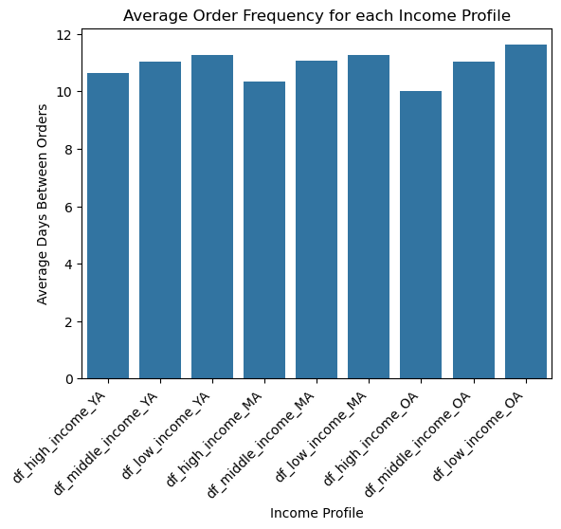
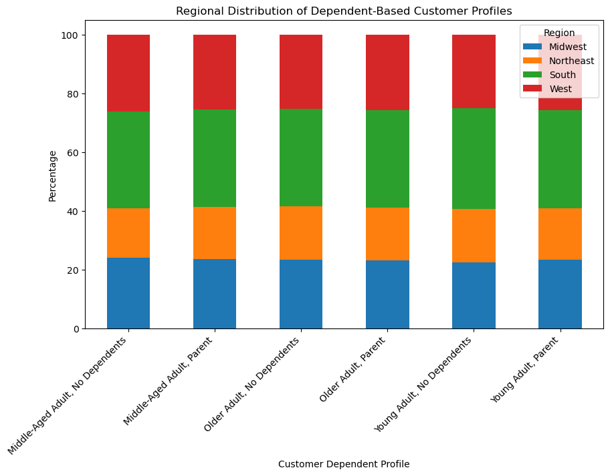
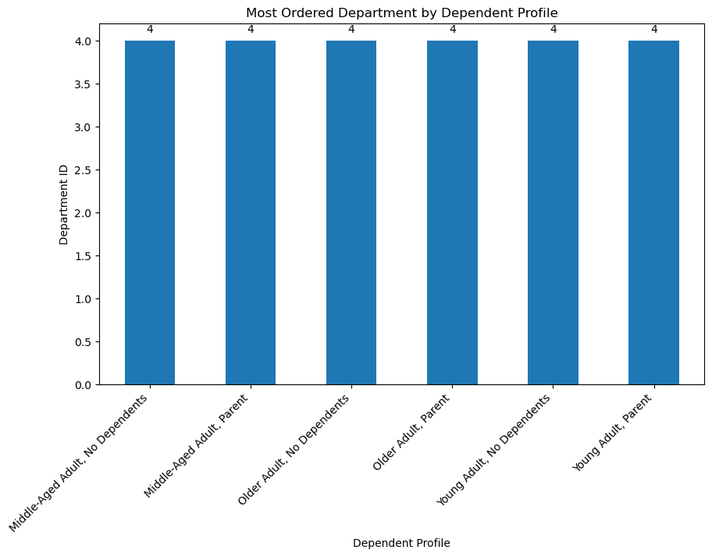
 |  |  |  |  |  |  |  |  |  | Title page

Visualisations

In this tab you should include all the visualtions from Exercises 4.9 and 4.10, alongside the questions from the project brief that they answer. Include any commentary on the relationship between different variables.

Busiest Days of Week

 |  |  |  |  |  |  |  | Below is the key from the project brief explaining which day corresponds to which number. The graph shows that Saturday and Sunday are the busiest days of the week, meaning that customers place more orders on the weekends.

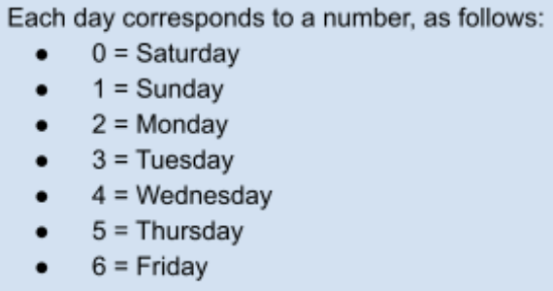

Busiest Hours of Day
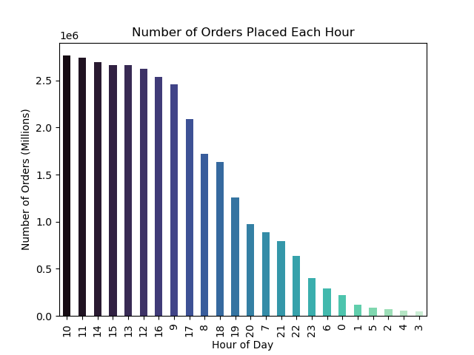

 |  |  |  |  |  |  |  | Between the hours of 9 AM until 4 PM represents the timeframe where the most orders are placed. Note that this doesn't reflect the money spent on each order.

Spending vs. Time of Day
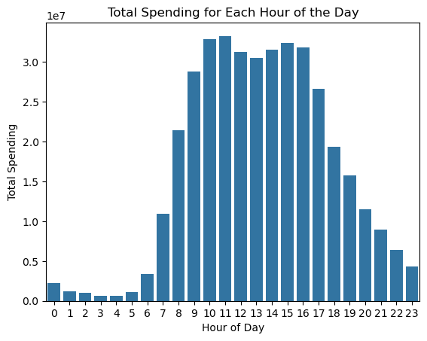

 |  |  |  |  |  |  |  | This graph echoes the one above in that the most ordering activity (and consequently, money spent) occurs during the typical work day.

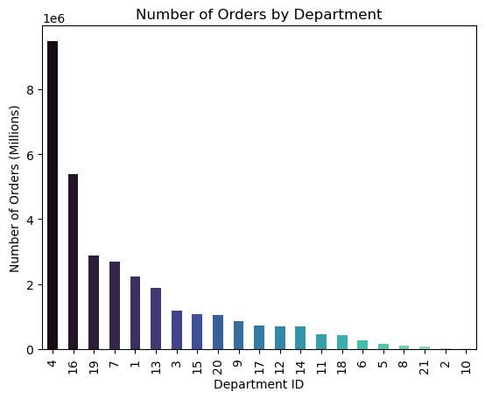
Most Popular Products/Departments
 |  |  |  | Department ID | Department
 |  |  |  | 1 | frozen
 |  |  |  | 2 | other
 |  |  |  | 3 | bakery
 |  |  |  | 4 | produce |  | Department 4 corresponds to produce, meaning that produce is far and away the most ordered product on Instacart.
 |  |  |  | 5 | alcohol
 |  |  |  | 6 | international
 |  |  |  | 7 | beverages
 |  |  |  | 8 | pets
 |  |  |  | 9 | dry goods pasta
 |  |  |  | 10 | bulk
 |  |  |  | 11 | personal care
 |  |  |  | 12 | meat seafood
 |  |  |  | 13 | pantry
 |  |  |  | 14 | breakfast
 |  |  |  | 15 | canned goods
 |  |  |  | 16 | dairy eggs
 |  |  |  | 17 | household
 |  |  |  | 18 | babies
 |  |  |  | 19 | snacks
 |  |  |  | 20 | deli
 |  |  |  | 21 | missing

Loyalty (order frequency)
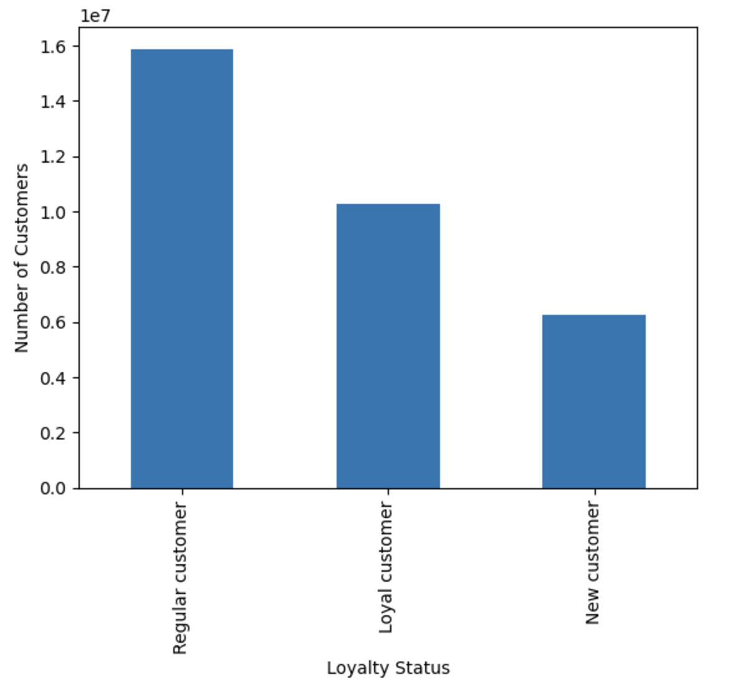

 |  |  |  |  |  |  |  |  | There are just over 1 million customers considered "loyal", meaning that they have placed over 40 orders on Instacart. Most customers fall into the "regular customer" category, meaning they have ordered from Instacart between 10-40 times.

Ordering Habits based on Loyalty

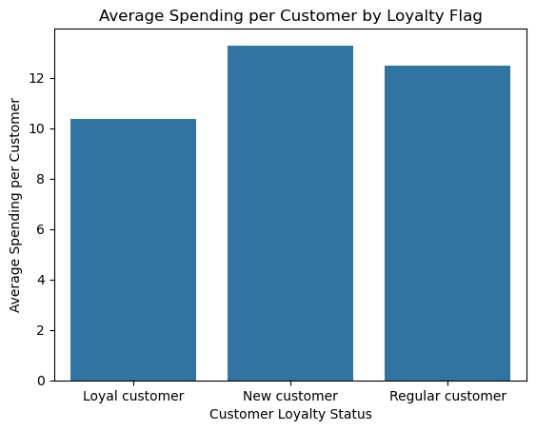

 |  |  |  |  |  | New customers spend the most, on average, per customer. To get this graph I divided the total spent by each loyalty flag by the number of individuals with that flag.

Ordering Habits based on Region

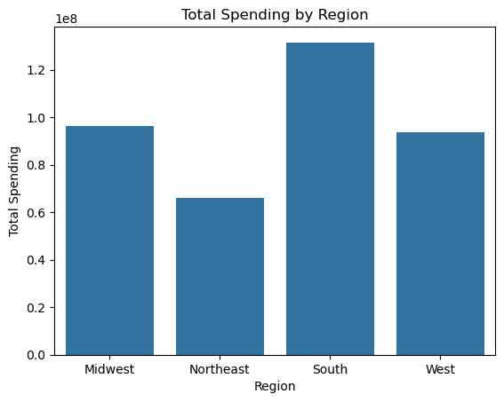

 |  |  |  |  |  | I wanted to visualize this two different ways, one looking at total spending per region (on the top) and another that shows the average spending per customers in the region (bottom). The south certainly spends the most in total, but the southern region trails slightly behind the midwest in terms of average spending per order.

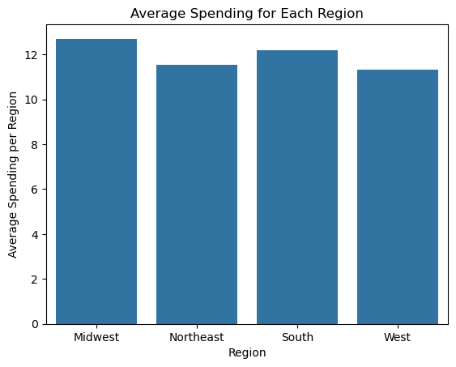

Dependent Profiles Ordering Habits

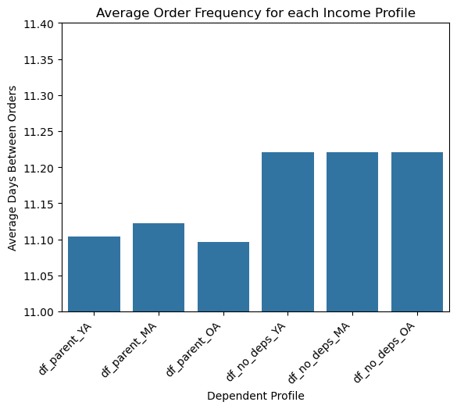

 |  |  |  |  |  | Parents order with more frequency than those with no dependents, although it's a fairly small margin. Note: The title of this graph is incorrect, it should read "Average Order Frequency for each Income Profile."

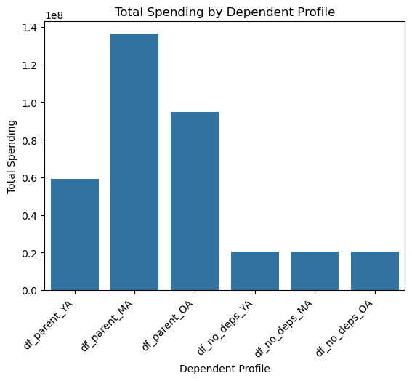

 |  |  |  |  |  | This chart shows the total spending of parents dwarfs the spending of those with no dependents.

Income Profiles Ordering Habits

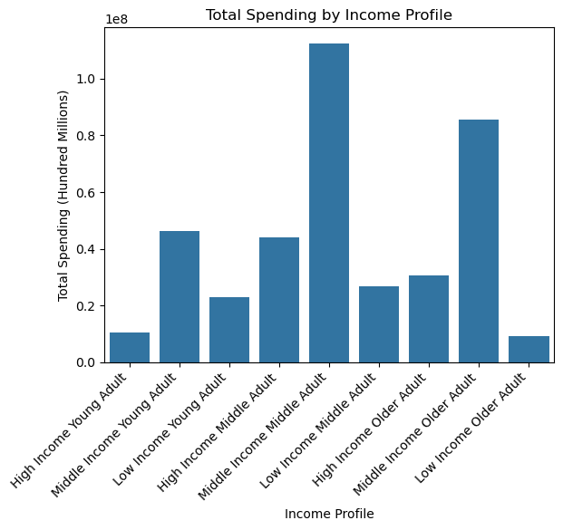

 |  |  |  |  |  |  | Middle-income adults are spending the most on Instacart. This might be because they make up the lions share of the population, but they're still the ones spending the most.

 |  |  |  |  |  |  | When we look at order frequency, high-income individuals are the ones who are ordering the most frequently by almost 2 days in some cases compared to lower-earning individuals from the same age group.

Customer Profile Descriptive Statistics

Dependent Profile Descriptive Statistics
customer_profile | max price | average price | min price | 25th_percentile_price | median_price | 75th_percentile_price | total spending | Most Ordered Department | Avg days between orders
Young Adult, Parent | 99999 | 11.94 | 1.00 | 4.20 | 7.40 | 11.30 | 59,166,007.40 | Produce | 11.10
Middle-Age Adult, Parent | 99999 | 11.92 | 1.00 | 4.20 | 7.40 | 11.30 | 136,102,169.30 | Produce | 11.12
Older Adult, Parent | 99999 | 11.95 | 1.00 | 4.20 | 7.40 | 11.30 | 94,698,584.10 | Produce | 11.10
Young Adult, No Dependents | 99999 | 12.42 | 1.00 | 4.20 | 7.30 | 11.20 | 20,410,110.50 | Produce | 11.22
Middle-Age Adult, No Dependents | 99999 | 12.42 | 1.00 | 4.20 | 7.30 | 11.20 | 20,410,110.50 | Produce | 11.22
Older Adult, No Dependents | 99999 | 12.42 | 1.00 | 4.20 | 7.30 | 11.20 | 20,410,110.50 | Produce | 11.22

Income Profile Descriptive Statistics
customer_profile | max price | average price | min price | 25th_percentile_price | median_price | 75th_percentile_price | total spending | Most Ordered Department | Avg days between orders
High Income Young Adult | 99999.00 | 269.89 | 1.00 | 4.40 | 7.50 | 11.40 | 10,351,380.80 | Produce | 10.626273
Middle Income Young Adult | 99999.00 | 13.10 | 1.00 | 4.40 | 7.70 | 11.40 | 46,232,103.00 | Produce | 11.035157
Low Income Young Adult | 14900.00 | 7.59 | 1.00 | 4.00 | 7.10 | 11.00 | 22,992,634.10 | Produce | 11.254594
High Income Middle-Age Adult | 99999.00 | 272.37 | 1.00 | 4.30 | 7.40 | 11.30 | 43,898,503.60 | Produce | 10.344266
Middle Income Middle-Age Adult | 99999.00 | 9.89 | 1.00 | 4.40 | 7.70 | 11.40 | 112,418,767.40 | Produce | 11.063377
Low Income Middle-Age Adult | 14900.00 | 7.27 | 1.00 | 3.80 | 6.80 | 10.50 | 26,829,954.50 | Produce | 11.262829
High Income Older Adult | 99999.00 | 252.03 | 1.00 | 4.20 | 7.40 | 11.40 | 30,473,511.90 | Produce | 9.998551
Middle Income Older Adult | 99999.00 | 9.43 | 1.00 | 4.40 | 7.70 | 11.40 | 85,649,618.20 | Produce | 11.016655
Low Income Older Adult | 25.00 | 6.70 | 1.00 | 3.40 | 6.00 | 9.60 | 9,224,985.20 | Produce | 11.613886

Customer Profile Geography Analysis

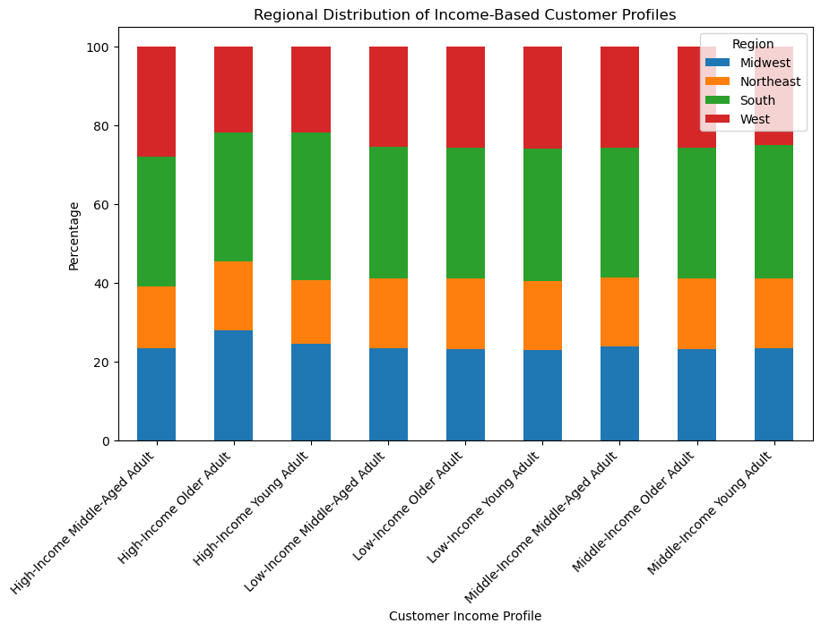

It appears that most of the income-based profiles (seen left) have the highest percentage of customers in the South region. One interesting note is the uptick in high-income older adults in the Midwest. For the dependent-based profiles, the South is the most prevalant region for all profiles, with the west and midwest being roughly equal in second and third place.

Most Ordered Department by Customer Profile
 |  |  |  |  |  |  |  | Department ID | Department
 |  |  |  |  |  |  |  | 1 | frozen
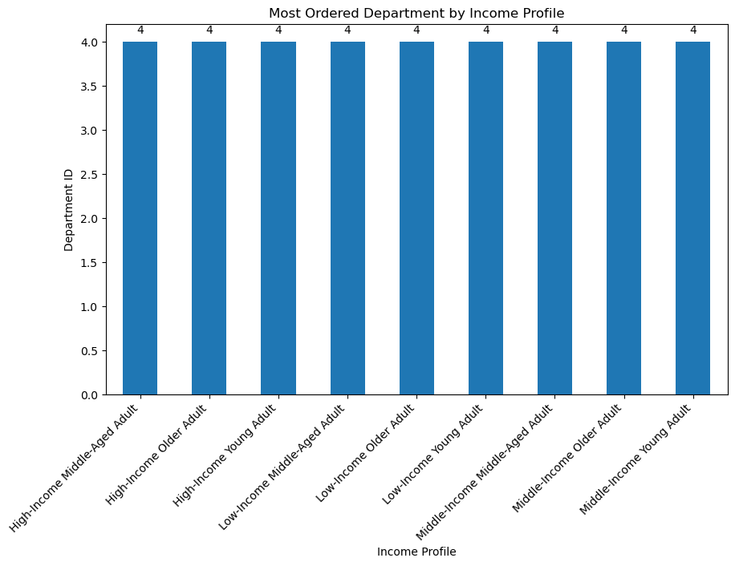
 |  |  |  |  |  |  |  | 2 | other
 |  |  |  |  |  |  |  | 3 | bakery
 |  |  |  |  |  |  |  | 4 | produce
 |  |  |  |  |  |  |  | 5 | alcohol
 |  |  |  |  |  |  |  | 6 | international
 |  |  |  |  |  |  |  | 7 | beverages
 |  |  |  |  |  |  |  | 8 | pets
 |  |  |  |  |  |  |  | 9 | dry goods pasta
 |  |  |  |  |  |  |  | 10 | bulk
 |  |  |  |  |  |  |  | 11 | personal care
 |  |  |  |  |  |  |  | 12 | meat seafood
 |  |  |  |  |  |  |  | 13 | pantry
 |  |  |  |  |  |  |  | 14 | breakfast
 |  |  |  |  |  |  |  | 15 | canned goods
 |  |  |  |  |  |  |  | 16 | dairy eggs
 |  |  |  |  |  |  |  | 17 | household
 |  |  |  |  |  |  |  | 18 | babies
 |  |  |  |  |  |  |  | 19 | snacks
 |  |  |  |  |  |  |  | 20 | deli
 |  |  |  |  |  |  |  | 21 | missing
As determined in an earlier chart, the most commonly ordered department for all profiles is produce, so it's not terribly surprising that produce is the most commonly ordered department for each customer profile.

7. Recommendations
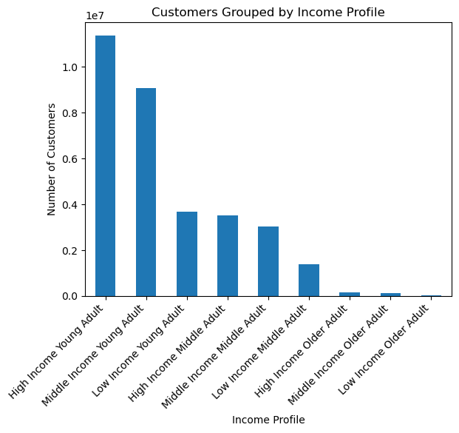
 |  |  |  |  |  |  |  |  |  |  |  | Title page

Recommendations

Key Takeaways: 1. Parents are placing the most orders and spending the most money, compared to those without dependents in the home. 2. Peak order times take place during the typical workday, from 9 AM to 4 PM. 3. The busiest days for orders are the weekends (Saturday and Sunday) 4. Produce is the most popular department, by far. 5. Customers in the South spend the most in total, but customers in the Midwest spend the most per order. 6. Middle-income individuals spend the most money, while high-income individuals place orders more frequently. 7. Young adults make up the greatest proportion of Instacart's clientele, regardless of income level.

Question | Answer
Key Question 1: Peak Times What is the busiest time of day for orders, and the busiest day(s) of the week for orders? | The graph on the left shows the busiest days of the week to be Saturday and Sunday, per the code included in the project brief (pictured right). The graph on the right shows the busiest hours of the day to be between 9 AM and 4 PM. This means that people are placing orders mostly on the weekends, and during the hours of a typical work day.

 |  |  |  |  |  |  | main department - produce
 |  |  |  |  |  |  | parents over those with no dependents
 |  |  |  |  |  |  | high-income adults order more frequently, but middle-income adults spend way more money

Key Question 2: Peak Spending Time At what times during the day are people spending the most money? | This graph echoes the one above in that the most ordering activity (and consequently, money spent) occurs during the typical work day.

Key Question 3: Price Range Simplification | The chart below shows a simplified breakdown of Instacart's products, arranged by low-, mid-, and high-range products. The parameters for price range can be found in the first row of the table in Sheet 5, "Column Derivations".

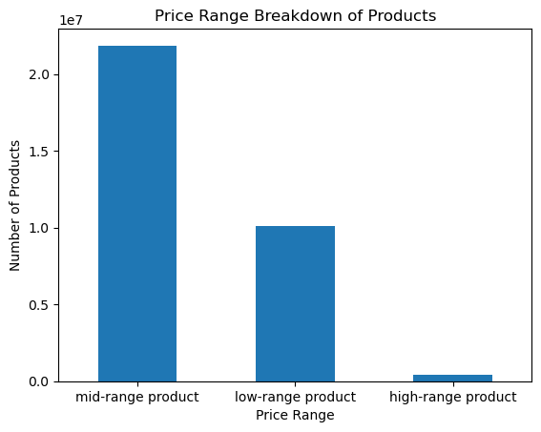

 |  | Dependent Profile Descriptive Statistics
 |  | customer_profile | max price | average price | min price | 25th_percentile_price | median_price | 75th_percentile_price | total spending | Most Ordered Department | Avg days between orders
 |  | Young Adult, Parent | 99999 | 11.94 | 1.00 | 4.20 | 7.40 | 11.30 | 59,166,007.40 | Produce | 11.10
 |  | Middle-Age Adult, Parent | 99999 | 11.92 | 1.00 | 4.20 | 7.40 | 11.30 | 136,102,169.30 | Produce | 11.12
 |  | Older Adult, Parent | 99999 | 11.95 | 1.00 | 4.20 | 7.40 | 11.30 | 94,698,584.10 | Produce | 11.10
 |  | Young Adult, No Dependents | 99999 | 12.42 | 1.00 | 4.20 | 7.30 | 11.20 | 20,410,110.50 | Produce | 11.22
 |  | Middle-Age Adult, No Dependents | 99999 | 12.42 | 1.00 | 4.20 | 7.30 | 11.20 | 20,410,110.50 | Produce | 11.22
 |  | Older Adult, No Dependents | 99999 | 12.42 | 1.00 | 4.20 | 7.30 | 11.20 | 20,410,110.50 | Produce | 11.22

Key Question 4: Most Popular Departments Are there certain products that are more popular than others? | Produce. Produce is far and away the most commonly ordered item on Instacart.
 |  | Income Profile Descriptive Statistics
 |  | customer_profile | max price | average price | min price | 25th_percentile_price | median_price | 75th_percentile_price | total spending | Most Ordered Department | Avg days between orders
 |  | High Income Young Adult | 99999.00 | 269.89 | 1.00 | 4.40 | 7.50 | 11.40 | 10,351,380.80 | Produce | 10.626273
 |  | Middle Income Young Adult | 99999.00 | 13.10 | 1.00 | 4.40 | 7.70 | 11.40 | 46,232,103.00 | Produce | 11.035157
 |  | Low Income Young Adult | 14900.00 | 7.59 | 1.00 | 4.00 | 7.10 | 11.00 | 22,992,634.10 | Produce | 11.254594
 |  | High Income Middle-Age Adult | 99999.00 | 272.37 | 1.00 | 4.30 | 7.40 | 11.30 | 43,898,503.60 | Produce | 10.344266
 |  | Middle Income Middle-Age Adult | 99999.00 | 9.89 | 1.00 | 4.40 | 7.70 | 11.40 | 112,418,767.40 | Produce | 11.063377
 |  | Low Income Middle-Age Adult | 14900.00 | 7.27 | 1.00 | 3.80 | 6.80 | 10.50 | 26,829,954.50 | Produce | 11.262829
 |  | High Income Older Adult | 99999.00 | 252.03 | 1.00 | 4.20 | 7.40 | 11.40 | 30,473,511.90 | Produce | 9.998551
 |  | Middle Income Older Adult | 99999.00 | 9.43 | 1.00 | 4.40 | 7.70 | 11.40 | 85,649,618.20 | Produce | 11.016655
 |  | Low Income Older Adult | 25.00 | 6.70 | 1.00 | 3.40 | 6.00 | 9.60 | 9,224,985.20 | Produce | 11.613886

Key Question 5: Brand Loyalty What is the distribution among users in regards to their brand loyalty? Are there differences in order habits among those who are more loyal? | There doesn't seem to be a connection between how loyal a customer is and how much they spend on orders. Interestingly enough, new customers (10 orders or less) spend more on average than loyal (40+ orders) and regular (10-40 orders) customers. In terms of total spending, regular customers account for more spending than loyal customers and new customers combined.

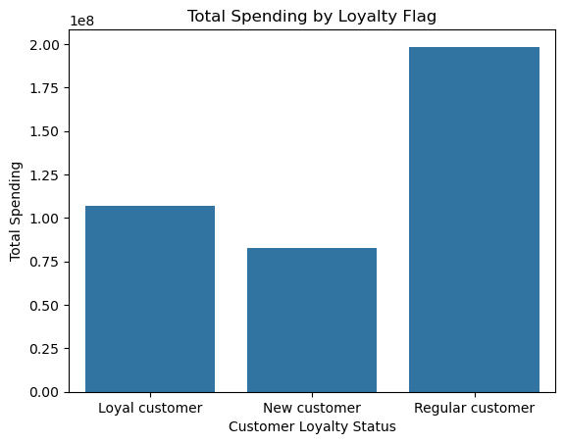

Key Question 6: Regional Tendencies Are there differences in ordering habits among individuals in a particular region? | I wanted to visualize this two different ways, one looking at total spending per region (on the top) and another that shows the average spending per customers in the region (bottom). The south certainly spends the most in total, but the southern region trails slightly behind the midwest in terms of average spending per order.

Key Question 7: Demographic Ordering Trends Is there a connection between age and family status in terms of ordering habits? What different classifications does the demographic information suggest? What differences exist between these different customer profiles? | I decided to create two different profiles for the sake of this analysis. First I created dependent profiles based on whether or not the customer has dependents in order to better analyze the different ordering habits of parents vs. those who don't have dependents in the home. The second profile was based on income, which I sorted into high-income ($170,000 and higher household income), medium-income ($67,000-$170,000), and low-income ($67,000 and below). The key takeaways from dependent profiles is that parents are both spending more and ordering more frequently than those with no dependents. For this reason, I recommend focusing marketing on parents, as they also make up a greater percentage of Instacart's customer base than those without dependents. The key takeaways from the income profiles is that young adults, regardless of income, make up the most users. Within those profiles, though, middle-income individuals are responsible for the most spending, while high-income individuals order the most frequently.

Dependent Profiles
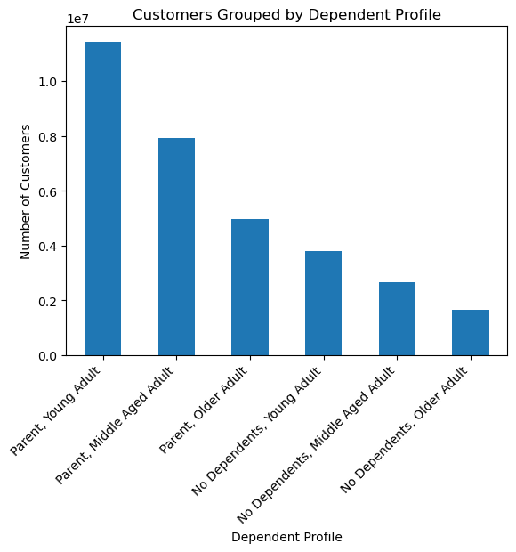

Income Profiles

